Sheet1

Prepared By | Atul Vyas
Goal Calculator
Duration | Returns% | Portfolio
0 to 11 months | 6% | Ultra Short Term Plan
12 to 35 months(1-2 Years) | 10% | Short Term Plan
36 month & above(more than or equal to 3 Years) | 14% | Long Term Plan
INPUT Values
Target Amount(FV) | 50000
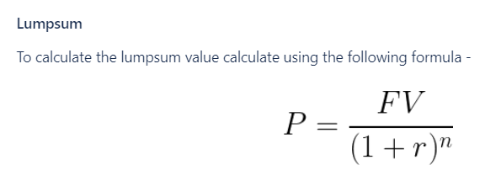
Target Time(n) Years | 0
Target Time(n) Months | 24
Growth Rate(r) Lumpsum | 10%
Growth Rate(r) SIP | 10
Lumpsum Amount(P) | 41323

i | 0.008333333333
FV * i | 416.6666667
[(1+i)^(n-1)-1] | 0.2103050857
[1+i] | 1.008333333
[(1+i)^(n-1)-1][1+i]+i | 0.2203909614

SIP(P) | 1891

